Login
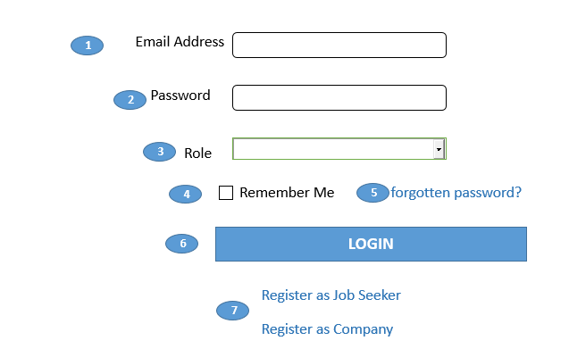

 | Validation Messages

 | When inputs may be blank.

 | Error Alert Messages

 | When user email is not exists in database.
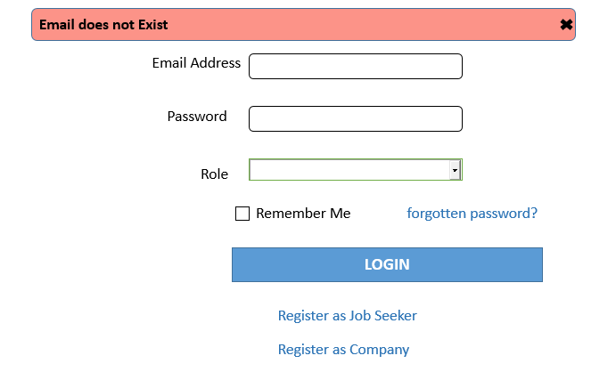
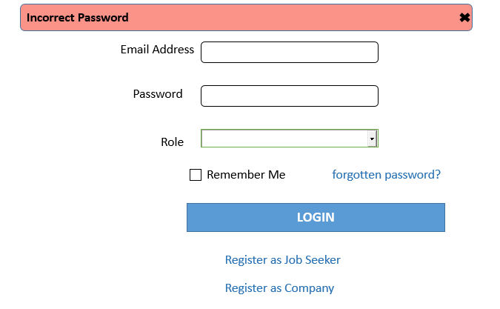

№ | Name | Type | Tab IDX | I/O | single item check |  |  | initial value | DB (CRUD) |  | Remarks
 |  |  |  |  | Required | Digits
 |  |  |  |  |  | Min | Max |  | Table Name | Column Name
1 | Email Address | Textbox |  | I | O |  | 50 |  |  |  | Check Email format.
2 | Password | Textbox |  | I | O | 6 | 20 |  |  |  | Check Regex pattern.
3 | Role | Selected Box |  | I | O |  |  |  |  |  | Select their role(Job Seeker,Company,Admin)
4 | Remember Me | Checkbox |  | I |  |  |  |  |  |  | Close the window without signing out, the next time go back you will be signed in automactically. The brower to save a "Cookies".
5 | forgotten password | Link |  | O |  |  |  |  |  |  | Go to reset password page
6 | Login | Button |  | O | O |  |  |  |  |  | Check validation and it is ok , login and check their role ,then show home page and they can manage their profile If it has error, show error message in this screen, If it correctly login, Login User detail is stored in session.
7 | Register as Job Seeker Register as Company | Link |  | O |  |  |  |  |  |  | If they didn't have an account,they can register as job seeker or company from this register link

Change Password
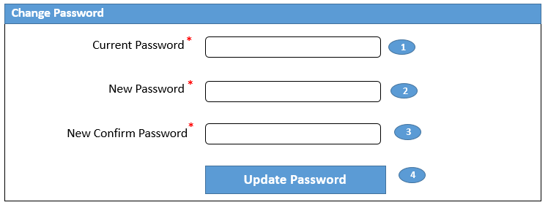

Validation Messages |  |  |  |  |  |  | Error Messages
 | When the input fields are blanked |  |  |  |  |  |  | When current password is not incorrect password
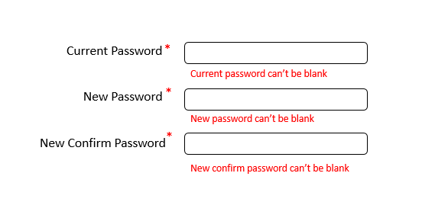

 |  |  |  |  |  |  |  | When entering new password and new confirm password are not the same

 | Successful Messages
 |  | When password is correctly updated
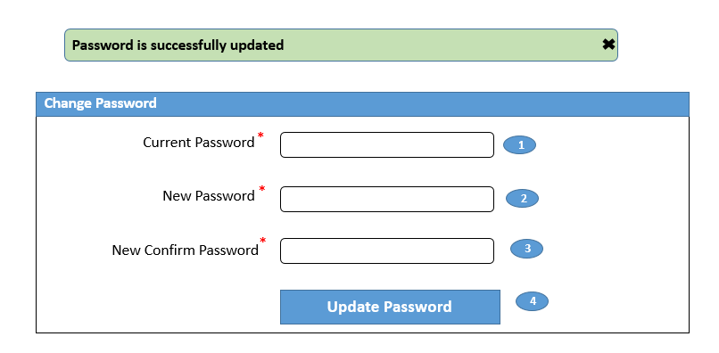

№ | Name | Type | Tab IDX | I/O | 単項目チェック |  |  | 初期値 | DB (CRUD) |  | Remarks
 |  |  |  |  | Required | Digits
 |  |  |  |  |  | Min | Max |  | Table Name | Column Name
1 | Current Password | Textbox |  | I | O | 6 |  |  |  |  | Current account password
2 | New Password | Textbox |  | I | O | 6 |  |  |  |  | New password for current account
3 | New Confirm Password | Textbox |  | I | O | 6 |  |  |  |  | Confirm new password
4 | Update Password | Button |  |  |  |  |  |  |  |  | Change current account password to new password and save new password to database

Forget Password
Validation Messages
 | When the input fields are blanked |  |  |  |  |  | When email format is incorrected.
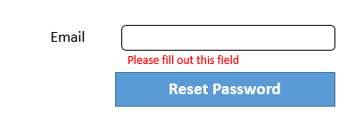

Error Alert Messages
 | When email is not existed in database



Successful Messages
 | When reset password link is correctly sent to mail

Check your Email with redirect Forget password Update.

№ | Name | Type | Tab IDX | I/O | 単項目チェック |  |  | 初期値 | DB (CRUD) |  | Remarks
 |  |  |  |  | Required | Digits
 |  |  |  |  |  | Min | Max |  | Table Name | Column Name
1 | Email | Textbox |  | I | O | 6 |  |  |  |  | Check Email format
2 | Reset Password | Button |  | I | O | 6 |  |  |  |  | Reset Password if user is forgot

Forget Password Update
Validation Messages
 | When the input fields are blanked.

Error Alert Messages
 | When tpassword and password confirmation does not match.
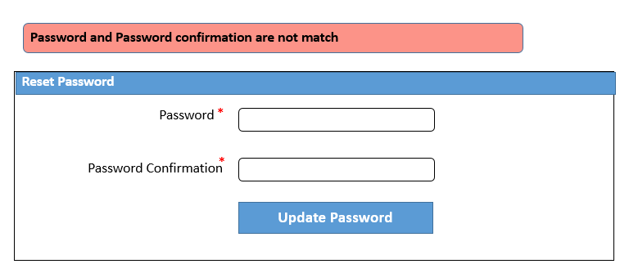

Successful Messages
 | When reset password link is correctly sent to email.
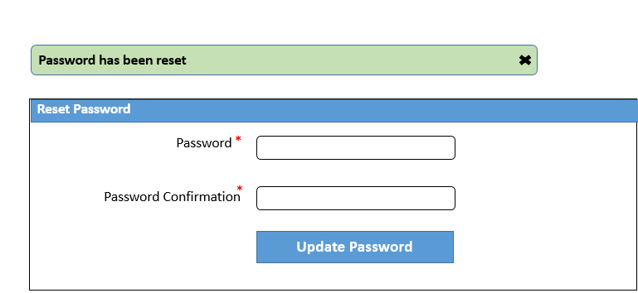

№ | Name | Type | Tab IDX | I/O | 単項目チェック |  |  | 初期値 | DB (CRUD) |  | Remarks
 |  |  |  |  | Required | Digits
 |  |  |  |  |  | Min | Max |  | Table Name | Column Name
1 | Password | Textbox |  | I | O |  |  |  |  |  | Enter new Password.
2 | Password confirmation | Textbox |  | I | O |  |  |  |  |  | Rewrite enter new Password again.
3 | Update Password | Button |  |  |  |  |  |  |  |  | Change current account password to new password and save new password to database

Jobseekers Registration
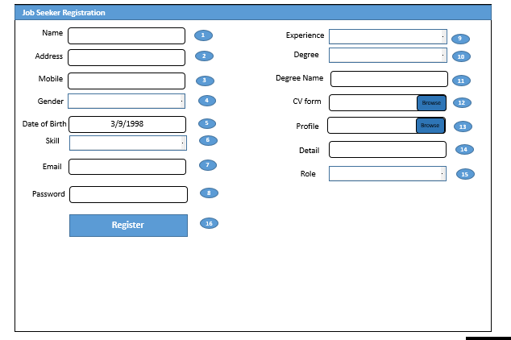

№ | Name | Type | Tab IDX | I/O | 単項目チェック |  |  | 初期値 | DB (CRUD) |  | Remarks
 |  |  |  |  | Required | Digits
 |  |  |  |  |  | Min | Max |  | Table Name | Column Name
1 | Name | Textbox |  | I | O |  |  |  | job seekers | name
2 | Address | Textbox |  | I | O |  |  |  | job seekers | address
3 | Mobile | Textbox |  | O | O |  |  |  | job seekers | mobile
4 | Gender | Dropdown List |  | O | O |  |  |  | job seekers | gender
5 | Date Of Birth | Calender |  | O | O |  |  |  | job seekers | date of birth
6 | Skill | Dropdown List |  | O | O |  |  |  | job seekers | skill
7 | Email | Dropdown List |  | O | O |  |  |  | job seekers | email
8 | Password | Textbox |  | O | O |  |  |  | job seekers | password
9 | Experience | Textbox |  | O | O |  |  |  | job seekers | experience
10 | Degree | Dropdown List |  | O | O |  |  |  | job seekers | degree
11 | Degree Name | Textbox |  | O | O |  |  |  | job seekers | degree name
12 | CV Form | File uploader |  | O | O |  |  |  | job seekers | cv form
13 | Profile | File uploader |  | O | O |  |  |  | job seekers | profile
14 | Detail | Textbox |  | O | O |  |  |  | job seekers | detail
15 | Role | Dropdown List |  | O | O |  |  |  | job seekers | role
16 | Register | Button |  | O | O |  |  |  | job seekers | register | register new jobseeker and go to login page

Job Seekers Edit
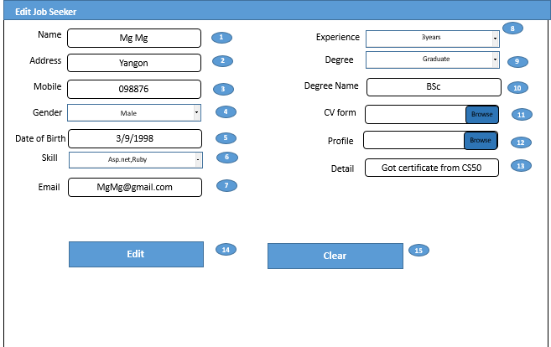

Job Seekers can Edit their own account.

№ | Name | Type | Tab IDX | I/O | 単項目チェック |  |  | 初期値 | DB (CRUD) |  | Remarks
 |  |  |  |  | Required | Digits
 |  |  |  |  |  | Min | Max |  | Table Name | Column Name
1 | Name | Textbox |  | I | O |  |  |  | job seekers | name | name from job seeker table
2 | Address | Textbox |  | I | O |  |  |  | job seekers | address | address from job seeker table
3 | Mobile | Textbox |  | O | O |  |  |  | job seekers | mobile | mobile from job seeker table
4 | Gender | Dropdown List |  | O | O |  |  |  | job seekers | gender | gender from job seeker table
5 | Date Of Birth | Calender |  | O | O |  |  |  | job seekers | date of birth | date of birth from job seeker table
6 | Skill | Dropdown List |  | O | O |  |  |  | job seekers | skill | skill from job seeker table
7 | Email | Dropdown List |  | O | O |  |  |  | job seekers | email | email from job seeker table
8 | Experience | Textbox |  | O | O |  |  |  | job seekers | experience | experience from job seeker table
9 | Degree | Dropdown List |  | O | O |  |  |  | job seekers | degree | degree from job seeker table
10 | Degree Name | Textbox |  | O | O |  |  |  | job seekers | degree name | degree name from job seeker table
11 | CV Form | File uploader |  | O | O |  |  |  | job seekers | cv form | cv form from job seeker table
12 | Profile | File uploader |  | O | O |  |  |  | job seekers | profile | profile from job seeker table
13 | Detail | Textbox |  | O | O |  |  |  | job seekers | detail | detail from job seeker table
14 | Edit | Button |  | O | O |  |  |  | job seekers | edit
14 | Clear | Button |  | O | O |  |  |  | job seekers | clear | clear all field value

